Sheet1
Shading Map Code | Excel File | Shading Map | Top 20 Image | MPP | Number of iterations | Series | SP | TCT
B9378P5 | B9378P5.xslx | ﻿block_shading(10, 6, np.array([9, 3, 7, 8])) | 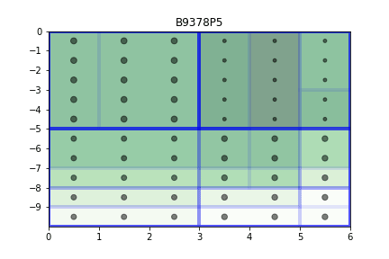 | 202.3 | 64000
B9378P10 | B9378P10.xslx | ﻿block_shading(10, 6, np.array([9, 3, 7, 8])) | 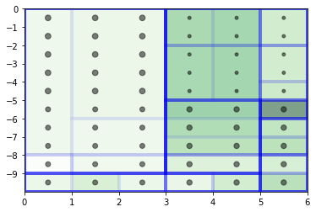 | 229.7 | 125000
﻿R01P5 | ﻿R01P5.xslx | 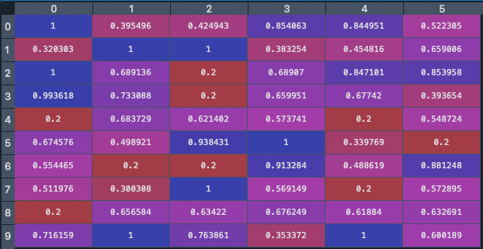 | 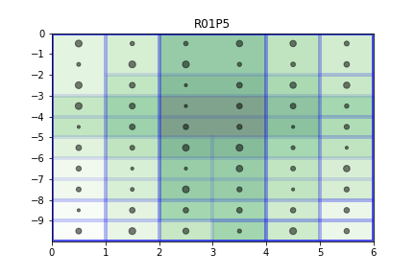 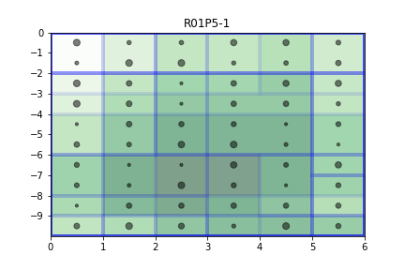 | 189 | 64000
R01P10 |  |  | 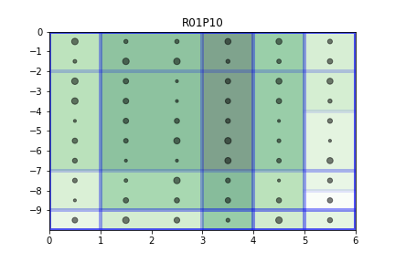 | 210 | 64000
S01P5 | S01P5.xslx | Last column at 3, rest at 7 | 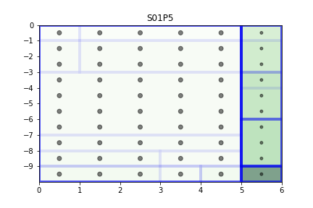 | 230 | 64000
S02P5 | S02P5.xslx | Second row at 3, rest at 7 | 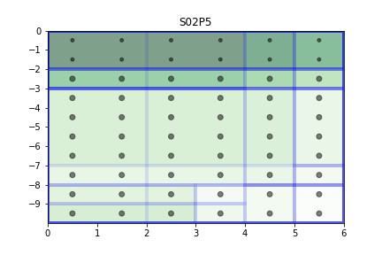 | 202 | 64000
S03P5 | S03P5.xslx | First column at 3, rest at 7 | 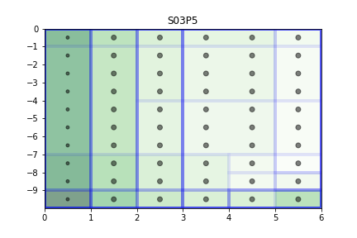 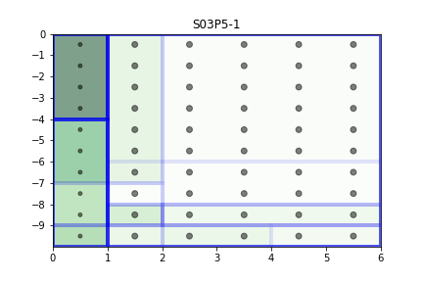 | 219 | 64000
C01P5 | C01P5.xslx | 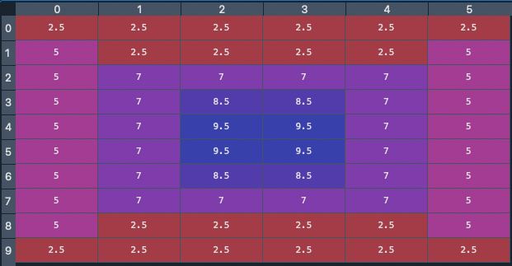 | 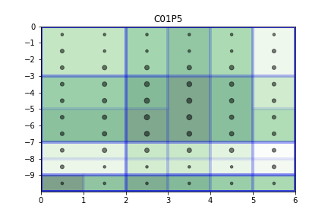 | 146 | 64000
C02P5 | C02P5.xslx | 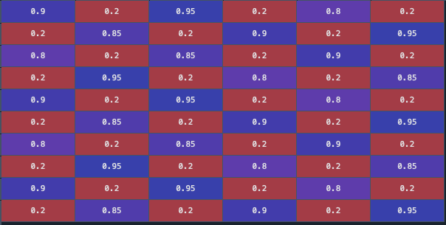 | 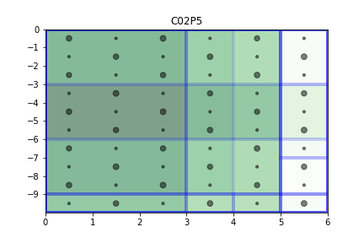
S04P5 | S04P5.xslx | 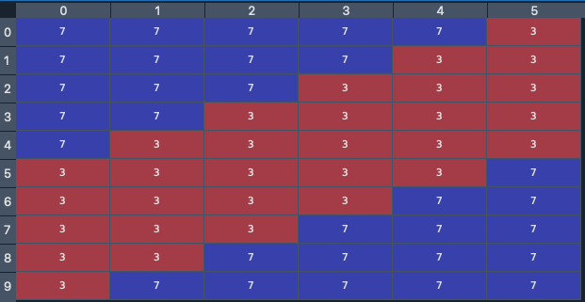 | 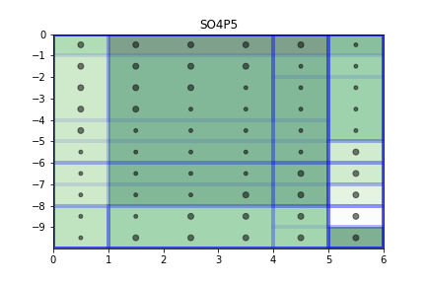 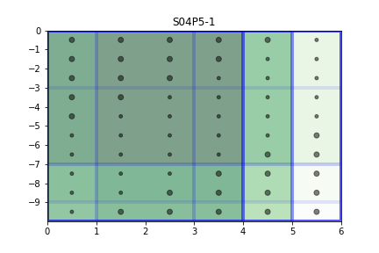 | 170 | 64000
S05P2 | S05P2.xslx |  | 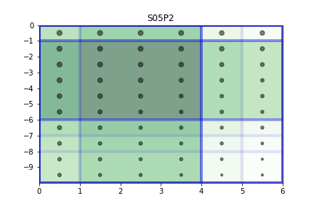 | 225 | 64000
S05P5 | S05P5.xslx | 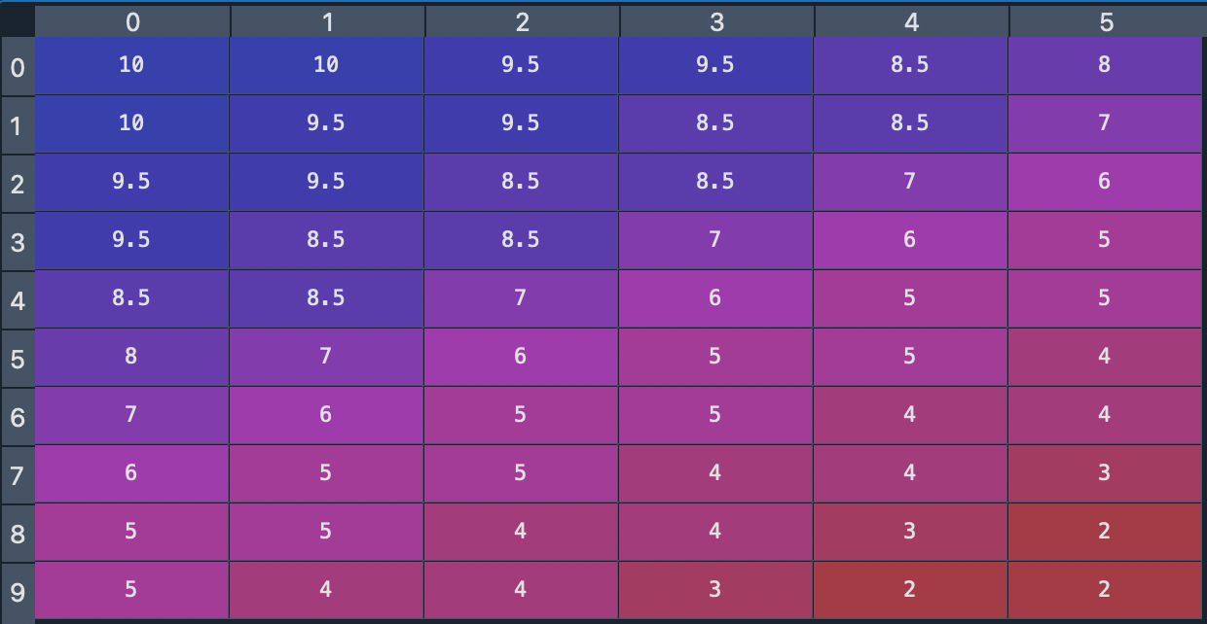 | 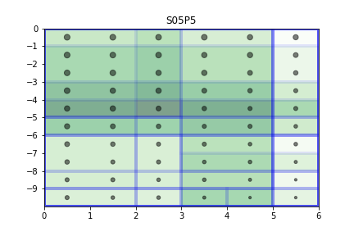 | 209 | 64000
S05P10 | S05P10.xslx |  | 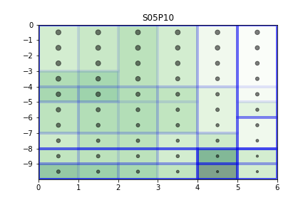 | 192 | 64000
C03P5 | C03P5.xslx | 